Retail
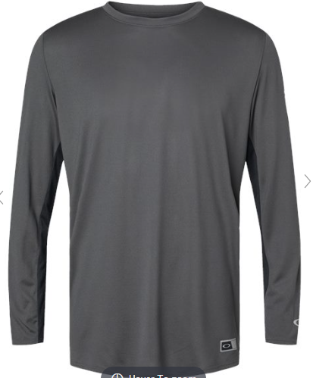 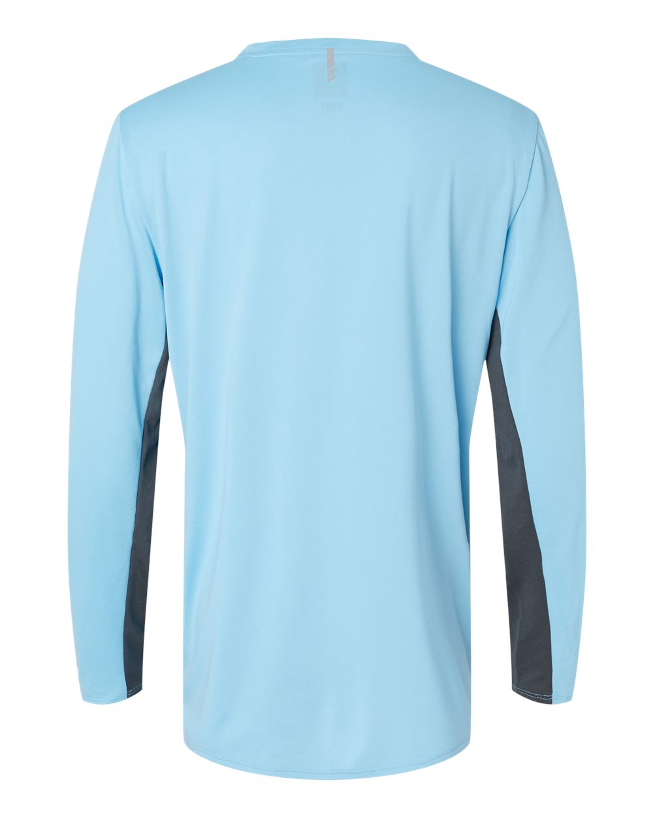 | BRAND NAME | STYLE NAME | CATEGORY NAME | COLOR NAME | S | M | L | XL | 2XL | 3XL | 4XL | Grand Total
 |  |  |  |  |  |  |  |  |  |  |  | -
 | Oakley | FOA402992 | T-Shirts - Long Sleeve | Blackout | 61 | 302 | 533 | 652 | 263 | 120 | 35 | 1,966
 | Oakley | FOA402992 | T-Shirts - Long Sleeve | Forged Iron | 34 | 256 | 521 | 467 | 204 | 49 | 43 | 1,574
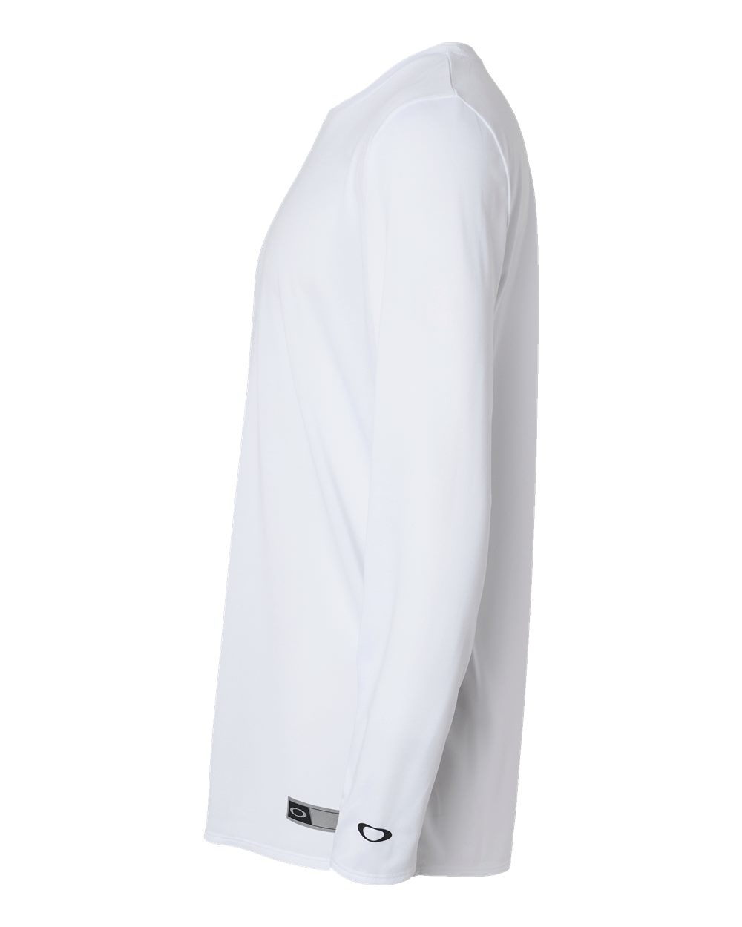
 | Oakley | FOA402992 | T-Shirts - Long Sleeve | New Granite Heather | 112 | 238 | 430 | 379 | 169 | 68 | 36 | 1,432
 | Oakley | FOA402992 | T-Shirts - Long Sleeve | Team Navy | 46 | 163 | 289 | 427 | 173 | 57 | 32 | 1,187
 | Oakley | FOA402992 | T-Shirts - Long Sleeve | Team Red | 83 | 183 | 316 | 303 | 152 | 57 | 21 | 1,115
 | Oakley | FOA402992 | T-Shirts - Long Sleeve | Team Royal | 118 | 252 | 425 | 407 | 165 | 71 | 35 | 1,473
 | Oakley | FOA402992 | T-Shirts - Long Sleeve | Team Royal |  |  |  |  | 9 |  |  | 9
 | Oakley | FOA402992 | T-Shirts - Long Sleeve | White | 90 | 160 | 325 | 309 | 137 | 65 | 34 | 1,120
 | Oakley | FOA402992 | T-Shirts - Long Sleeve | Team Fir | 101 | 209 | 356 | 350 | 154 |  |  | 1,170
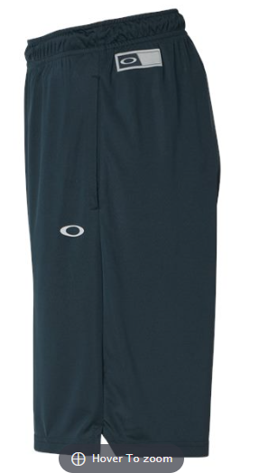 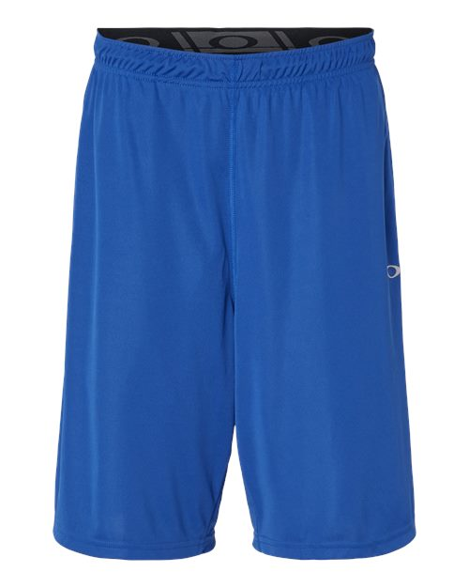 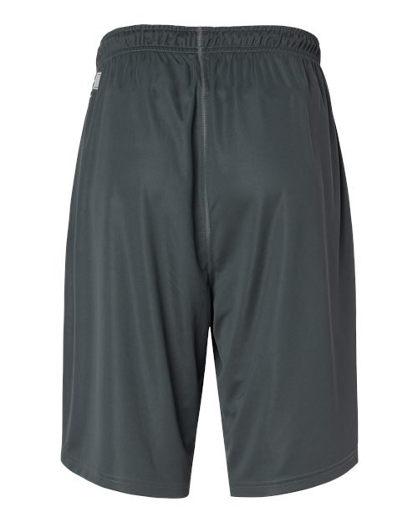 | Oakley | FOA402995 | Athletics | Blackout | 858 | 1,131 | 1,028 | 496 | 266 | 86 | 27 | 3,892
 | Oakley | FOA402995 | Athletics | Blackout | 772 | 784 | 636 | 327 | 142 | 18 | 7 | 2,686
 | Oakley | FOA402995 | Athletics | Blackout |  |  |  | 18 |  |  |  | 18
 | Oakley | FOA402995 | Athletics | Forged Iron | 371 | 445 | 244 | 45 | 45 | 1 |  | 1,151
 | Oakley | FOA402995 | Athletics | Team Navy | 408 | 308 | 286 | 127 | 103 | 24 |  | 1,256
 | Oakley | FOA402995 | Athletics | Team Red | 223 | 301 | 222 | 103 | 79 | 5 |  | 933
 | Oakley | FOA402995 | Athletics | Team Royal | 342 | 410 | 332 | 173 | 71 | 27 | 23 | 1,378
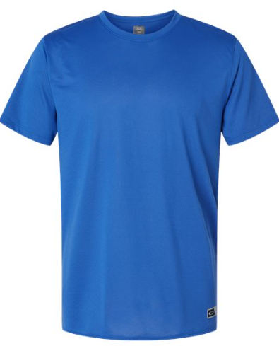 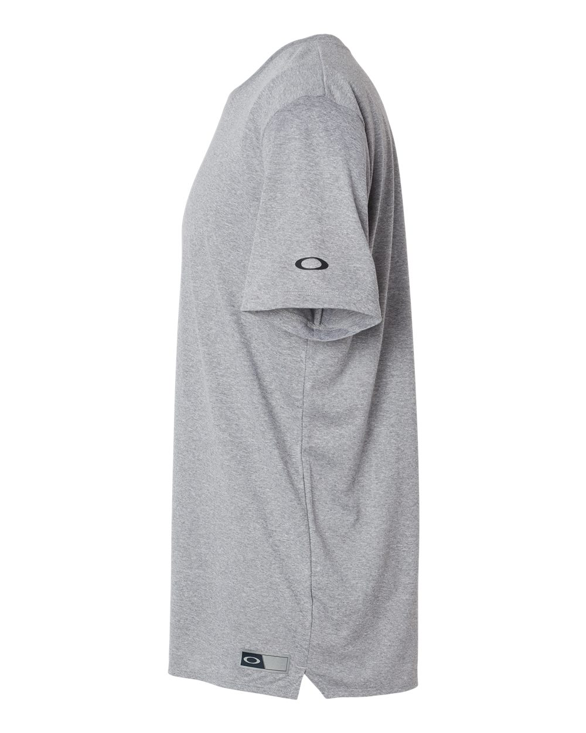 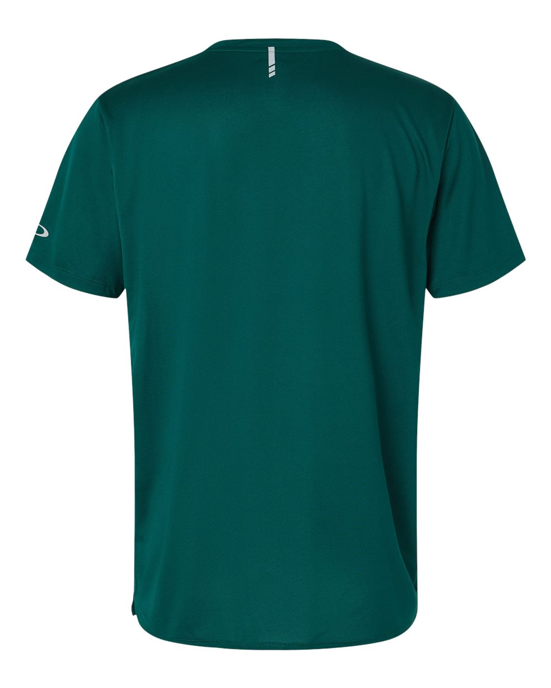 | Oakley | FOA402991 | T-Shirts - Premium | Carolina Blue |  |  |  | 0 |  |  |  | -
 |  | FOA402991 | T-Shirts - Premium | Forged Iron |  |  |  |  |  |  |  | -
 |  | FOA402991 | T-Shirts - Premium | Team Navy | 276 | 625 | 507 | 266 | 174 | 12 | 47 | 1,907
 |  | FOA402991 | T-Shirts - Premium | Team Red | 315 | 405 | 386 | 169 | 0 | 0 | 0 | 1,275
 |  | FOA402991 | T-Shirts - Premium | Team Royal | 447 | 608 | 698 | 441 | 0 | 0 | 0 | 2,194
 |  | FOA402991 | T-Shirts - Premium | White |  |  |  |  |  |  |  | -
 |  | FOA402991 | T-Shirts - Premium | Team Fir | 104 | 285 | 271 | 209 | 109 | 7 | 11 | 996
 |  | FOA402991 | T-Shirts - Premium | New Granite Heather |  |  |  | 15 |  |  |  | 15
 |  | FOA402991 | T-Shirts - Premium | Team Navy | 1 |  |  |  |  |  |  | 1

 |  |  |  |  |  |  |  |  |  |  |  | 28,748

